Sheet1
Team member | Student ID
HSU YUCHEN | A0312064U
Jonathan Sugiharto Santosa | A0303274M
Lim Kai Ler, Ethan | A0307499M
Ramanathan Alagu Subramaniam | A0334850E
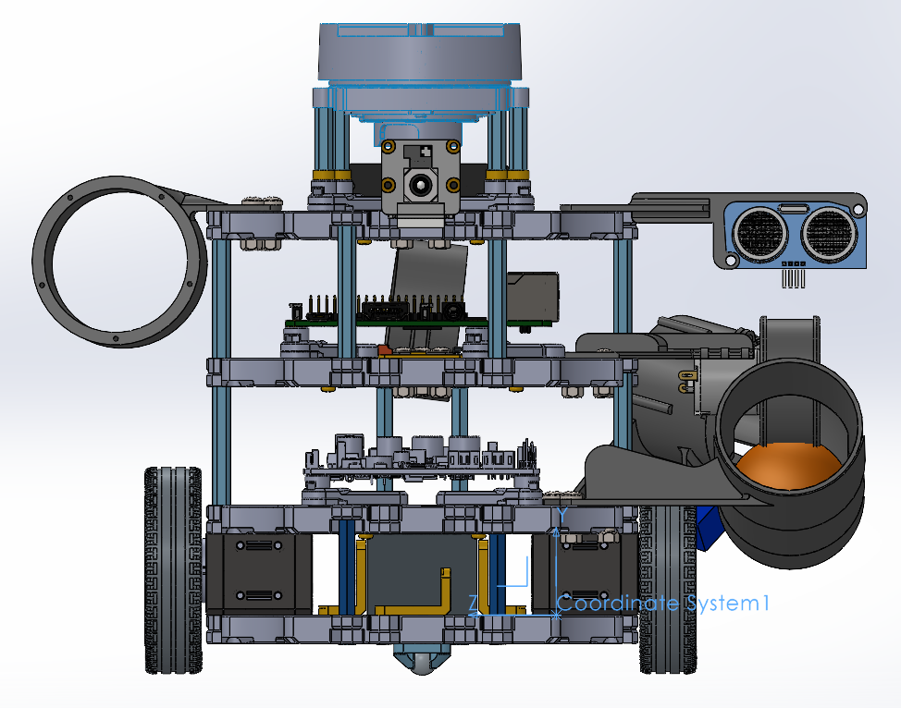
 | Part Name | Qty | Weight | x | y | z | Weight*No
Turtlebot3 Frame | Waffle Plate | 1 | 93.5 | 62.9 | -4.4 | 42.7 | 93.5
 | Waffle Plate | 1 | 93.5 | 62.9 | 30.57 | 42.7 | 93.5
 | Waffle Plate | 1 | 93.5 | 62.9 | 77.52 | 42.7 | 93.5
 | Waffle Plate | 1 | 93.5 | 62.9 | 124.4 | 42.7 | 93.5
. | Plate Support M3x35mm | 4 | 5 | 62.9 | 13.88 | 42.7 | 20
. | Plate Support M3x45mm | 4 | 6.5 | 42.88 | 53.88 | 42.74 | 26
 | Plate Support M3x45mm | 4 | 6.5 | 54.88 | 100.82 | 42.74 | 26
 | PCB Support | 4 | 2.5 | 62.88 | 37.96 | 42.74 | 10
. | PCB Support | 4 | 2.5 | 92.63 | 85.02 | 45.83 | 10
 | PCB Support | 4 | 2.5 | 61.83 | 131.99 | 42.89 | 10
. | Wheel & tire | 1 | 27.5 | 30.87 | 14.25 | -34.97 | 27.5
 | Wheel & tire | 1 | 27.5 | 26.87 | 14.25 | 121.46 | 27.5
. | Ball Caster | 1 | 5 | 13.88 | -12.17 | 42.74 | 5
Motors TTB | DYNAMIXEL (XL430-W250-T) | 1 | 57.2 | 38.62 | 14.52 | 95.42 | 57.2
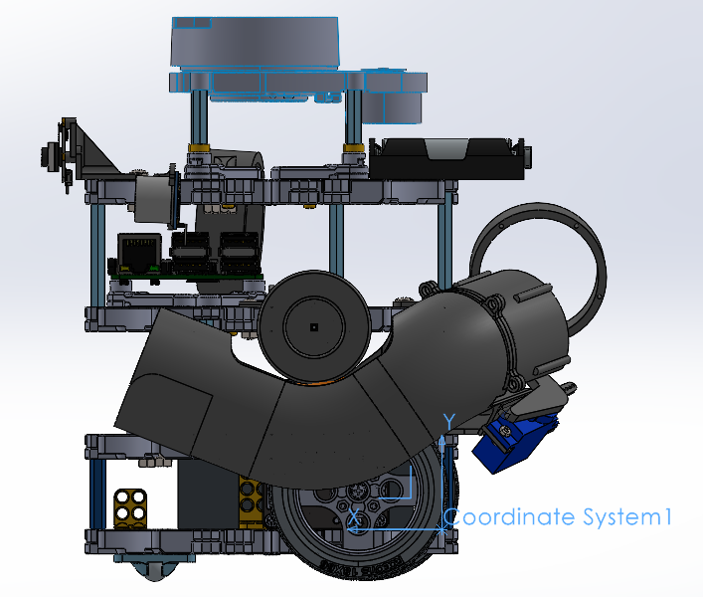
 | DYNAMIXEL (XL430-W250-T) | 1 | 57.2 | 42.62 | 13.98 | -9.93 | 57.2
Boards | OpenCR1.0 | 1 | 60 | 62.55 | 47.86 | 42.95 | 60
. | *Raspberry Pi | 1 | 47 | 56.6 | 44.6 | 42.9 | 47
. | USB2LDS | 1 | 2.5 | 47.9 | 82.8 | 44.5 | 2.5
Sensors | **LDS-01 or LDS-02 | 1 | 135 | 61.83 | 147.54 | 42.89 | 135
. | LIPO Battery 11.1V 1,800mAh | 1 | 157 | 53.72 | 13.75 | 42.74 | 157
3D printed | DC motor Bracket | 1 | 4.21 | 55.76 | 84.17 | -27.53 | 4.21
 | Servo and shooting pipe mounting Bracket | 1 | 13.4 | -11.76 | 55.24 | -37.53 | 13.4
 | Ultrasonic sensor Bracket | 1 | 2.03 | 100.76 | 129.42 | -43.03 | 2.03
 | Camera Bracket | 1 | 3.21 | 129.55 | 136.49 | 43.4 | 3.21
 | Alluminium Wire mount clamp middle | 1 | 14.2 | -30.97 | 92.9 | 42.31 | 14.2
 | Alluminium Wire mount clamp end | 1 | 15.62 | 78.5 | 113.95 | 136.94 | 15.62
 | Front shooting pipe | 1 | 36.66 | 56.5 | 44.96 | -71.38 | 36.66
 | Elbow bend gate for Ultrasonic sensor | 1 | 1.79 | -33.57 | 51.85 | -54.45 | 1.79
 | Flywheel wheel | 1 | 27.03 | 47.13 | 74.45 | -74.55 | 27.03
Externals | Alluminium Wire | 1 | 12 | 15.77 | 83.82 | 30.39 | 12
 | Servo motor | 1 | 6.82 | -27.76 | 35.64 | -44.55 | 6.82 | Mass properties of TurtleBot3 4MB-3R
 | DC motor | 1 | 13.12 | 49.92 | 98.34 | -57.72 | 13.12 | Configuration: Default
 | Camera RPI | 1 | 5.9 | 139.56 | 139.92 | 43.17 | 5.9 | Coordinate system: Coordinate System1
 | 4 AA battery pack + Holder | 1 | 271.12 | -1.77 | 136.84 | 42.9 | 271.12
 | Ultrasonic sensor | 1 | 4.66 | 102.15 | 121.39 | -76.59 | 4.66
 |  |  |  |  |  | Total | 1483.67 | * Includes the mass properties of one or more hidden components/bodies.
 | x | y | z
CG | 42.28 | 72.35 | 27.34 |  |  |  |  | Mass = 1483.67 grams
Total weight | 1483.67
 |  |  |  |  |  |  |  | Volume = 943067.79 cubic millimeters

 |  |  |  |  |  |  |  | Surface area = 734009.63 square millimeters

 |  |  |  |  |  |  |  | Center of mass: ( millimeters )
 |  |  |  |  |  |  |  |  | X = 42.28
 |  |  |  |  |  |  |  |  | Y = 72.35
 |  |  |  |  |  |  |  |  | Z = 27.34

 |  |  |  |  |  |  |  | Principal axes of inertia and principal moments of inertia: ( grams * square millimeters )
 |  |  |  |  |  |  |  | Taken at the center of mass.
 |  |  |  |  |  |  |  |  | Ix = (-0.31, 0.82, 0.48) | Px = 5012638.87
 |  |  |  |  |  |  |  |  | Iy = (-0.25, 0.42, -0.87) | Py = 5783196.05
 |  |  |  |  |  |  |  |  | Iz = (-0.92, -0.39, 0.08) | Pz = 7429855.31

 |  |  |  |  |  |  |  | Moments of inertia: ( grams * square millimeters )
 |  |  |  |  |  |  |  | Taken at the center of mass and aligned with the output coordinate system. (Using positive tensor notation.)
 |  |  |  |  |  |  |  |  | Lxx = 7096614.70 | Lxy = -784688.89 | Lxz = 1240.43
 |  |  |  |  |  |  |  |  | Lyx = -784688.89 | Lyy = 5512697.97 | Lyz = 351925.10
 |  |  |  |  |  |  |  |  | Lzx = 1240.43 | Lzy = 351925.10 | Lzz = 5616377.56

 |  |  |  |  |  |  |  | Moments of inertia: ( grams * square millimeters )
 |  |  |  |  |  |  |  | Taken at the output coordinate system. (Using positive tensor notation.)
 |  |  |  |  |  |  |  |  | Ixx = 14776220.91 | Ixy = 3142274.57 | Ixz = 1485424.89
 |  |  |  |  |  |  |  |  | Iyx = 3142274.57 | Iyy = 8767460.77 | Iyz = 2891628.58
 |  |  |  |  |  |  |  |  | Izx = 1485424.89 | Izy = 2891628.58 | Izz = 14630999.42

